Notes

Workbook prepared by Alviss Consulting for Energy Consumers Australia (ECA)
SME Tariff-Tracker
TAS Workbook 1 - Electricity offers | DISCLAIMER:
 | The energy offers, tariffs and bill calculations presented in this workbook should be used as a general guide only and should not be
Purpose of SME Tariff-Tracking project: | relied upon. The workbook is not an appropriate substitute for obtaining an offer from an energy retailer. The information presented
The main purpose of this workbook is to provide consumer advocates with a tool to track and analyse | in the workbook is not provided as financial advice. While we have taken great care to ensure accuracy of the information provided in this
changes to SME energy offers in the Tasmania. | workbook, it is suitable for use only as a research and advocacy tool. We do not accept any legal responsibility for errors or inaccuracies.
 | Alviss Consulting Pty Ltd does not accept liability for any action taken based on the information provided in this workbook or for any loss,
 | economic or otherwise, suffered as a result of reliance on the information presented in this workbook.
This workbook contains: | If you would like to obtain information about energy offers available to you as a customer, go to AER’s "Energy Made Easy" website
*Electricity market offers as of April 2016, April 2017, October 2017, April 2018, October 2018, | www.energymadeeasy.gov.au or contact the energy retailers directly.
April 2019, October 2019, April 2020, October 2020, April 2021, October 2021, April 2022, October 2022, April 2023,
October 2023 and April 2024
*Analysis of bills (consumption level/pattern variable) | TAS Retailers:
 | 1st Energy
*The spreadsheets are interactive where the user can adjust quarterly consumption (kWh) and peak/off peak | Aurora Energy
proportions (%). All red cells contain variables for the user to insert | Covau
 | Energy Locals
*As SME electricity offers currently depend on the type of metering installed at the premises,
this analysis include the three most common electricity offers based on meter type:
1) Single rate (also known as flat rate).
2) Controlled load (also known as dedicated circuit). Typically used for hot water and heating. | Tab colors:
3) Time of Use (TOU). Three part tariff with peak, shoulder and off-peak rates. | April | 2024
 | October | 2023
*All supply charges published as quarterly charges have been divided by 91 days. | April | 2023
*All daily inclining block thresholds have been multiplied by 91 to calculate quarterly bills. | October | 2022
 | April | 2022
 | October | 2021
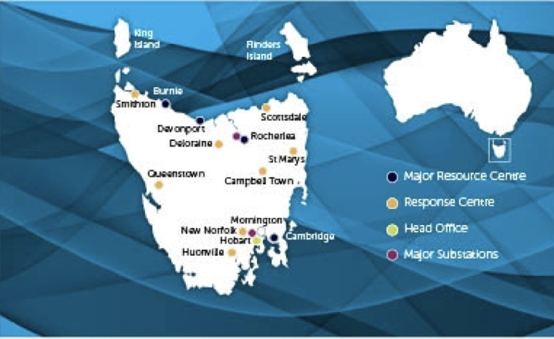
 | April | 2021
 | October | 2020
 | April | 2020
 | October | 2019
 | April | 2019
 | October | 2018
 | April | 2018
 | October | 2017
 | April | 2017
 | April | 2016

Source: www.tasnetworks.com.au

